3 - Vlookup
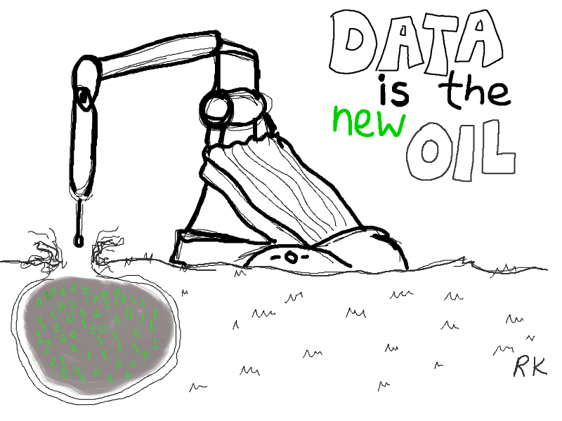
List 1: |  |  |  |  |  |  | Step 1: | Step 2: | Step 3: | List 2:
Volunteer | Not Home | Refused | Contacted | Disconnected | Total | Contact Rate |  |  |  | ID | Name | Goal | Volunteer Type | Last Updated | Phone Number | City | Team
Alexander | 15 | 0 | 19 | 0 | 34 | 56% |  |  |  | 1 | William | 50 | Phonecaller | 2018-03-19 | 555-555-5555 | PDX | Red
Amelia | 13 | 0 | 10 | 0 | 23 | 43% |  |  |  | 2 | Amelia | 30 | Phonecaller | 2018-03-20 | 555-555-5556 | DC | Red
Ava | 15 | 0 | 11 | 8 | 34 | 32% |  |  |  | 3 | Benjamin | 30 | Phonecaller | 2018-03-21 | 555-555-5557 | DC | Red
Benjamin | 13 | 2 | 7 | 3 | 25 | 28% |  |  |  | 4 | Luke | 40 | Phonecaller | 2018-03-22 | 555-555-5558 | NYC | Red
Elijah | 10 | 0 | 11 | 2 | 23 | 48% |  |  |  | 5 | Hannah | 30 | Phonecaller | 2018-03-23 | 555-555-5559 | DC | Red
Hannah | 27 | 0 | 8 | 2 | 37 | 22% |  |  |  | 6 | Elijah | 30 | Phonecaller | 2018-03-24 | 555-555-5560 | DC | Red
Isabella | 26 | 0 | 3 | 0 | 29 | 10% |  |  |  | 7 | Michael | 40 | Phonecaller | 2018-03-25 | 555-555-5561 | NYC | Blue
Liam | 45 | 1 | 12 | 5 | 63 | 19% |  |  |  | 8 | Isabella | 40 | Phonecaller | 2018-03-26 | 555-555-5562 | NYC | Blue
Lily | 9 | 0 | 5 | 1 | 15 | 33% |  |  |  | 9 | Lily | 40 | Phonecaller | 2018-03-27 | 555-555-5563 | NYC | Blue
Luke | 33 | 0 | 10 | 9 | 52 | 19% |  |  |  | 10 | Madison | 40 | Phonecaller | 2018-03-28 | 555-555-5564 | NYC | Blue
Madison | 31 | 3 | 7 | 6 | 47 | 15% |  |  |  | 11 | Noah | 50 | Phonecaller | 2018-03-29 | 555-555-5565 | PDX | Blue
Mason | 59 | 0 | 15 | 0 | 74 | 20% |  |  |  | 12 | Mason | 40 | Phonecaller | 2018-03-30 | 555-555-5566 | NYC | Yellow
Michael | 0 | 0 | 18 | 0 | 18 | 100% |  |  |  | 13 | Alexander | 30 | Phonecaller | 2018-03-31 | 555-555-5567 | DC | Yellow
Noah | 0 | 0 | 11 | 0 | 11 | 100% |  |  |  | 14 | Ava | 30 | Phonecaller | 2018-04-01 | 555-555-5568 | DC | Yellow
Owen | 0 | 0 | 40 | 0 | 40 | 100% |  |  |  | 15 | Liam | 40 | Phonecaller | 2018-04-02 | 555-555-5569 | NYC | Yellow
Sofia | 2 | 0 | 8 | 0 | 10 | 80% |  |  |  | 16 | Sofia | 50 | Phonecaller | 2018-04-03 | 555-555-5570 | PDX | Yellow
William | 221 | 0 | 27 | 17 | 265 | 10% |  |  |  | 17 | Owen | 50 | Phonecaller | 2018-04-04 | 555-555-5571 | PDX | Yellow

To Do:
1. Use Vlookup to add the goals to column H
Tip: the vlookup formula has 4 parts: what you are looking for (A2), where you will find this data (columns O:P), what data you want to bring back (the goals which is column "2"), then "false" for an exact match.

Bonus:
2. Use Vlookup to add the city to Column I
3. Use Vlookup to add the team to Column J
4. Instead of using the column number try using the column formula, such as columns(o:p) for the goals vlookup

5 - Pivot Tables
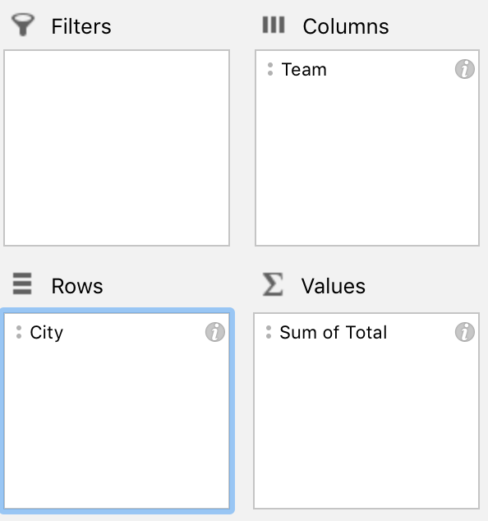
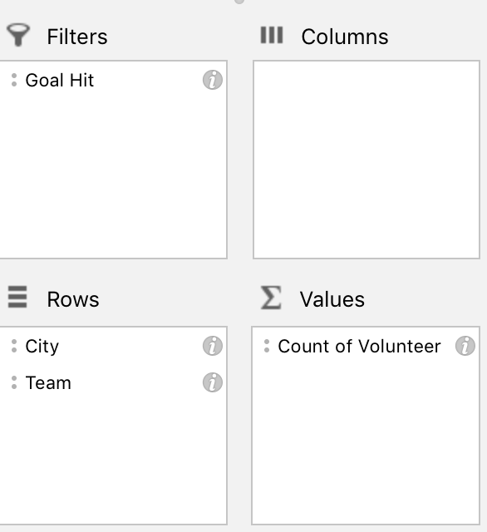
City | Team | Volunteer | Not Home | Refused | Contacted | Disconnected | Total | Contact Rate | Goal | Goal Hit
DC | Yellow | Alexander | 15 | 0 | 19 | 0 | 34 | 56% | 50 | Not Yet
DC | Red | Amelia | 13 | 0 | 10 | 0 | 23 | 43% | 50 | Not Yet
DC | Yellow | Ava | 15 | 0 | 11 | 8 | 34 | 32% | 50 | Not Yet
DC | Red | Benjamin | 13 | 2 | 7 | 3 | 25 | 28% | 50 | Not Yet
DC | Red | Elijah | 10 | 0 | 11 | 2 | 23 | 48% | 50 | Not Yet
DC | Red | Hannah | 27 | 0 | 8 | 2 | 37 | 22% | 50 | Not Yet
NYC | Blue | Isabella | 26 | 0 | 3 | 0 | 29 | 10% | 50 | Not Yet
NYC | Yellow | Liam | 45 | 1 | 12 | 5 | 63 | 19% | 50 | Goal Hit!
NYC | Blue | Lily | 9 | 0 | 5 | 1 | 15 | 33% | 50 | Not Yet
NYC | Red | Luke | 33 | 0 | 10 | 9 | 52 | 19% | 50 | Goal Hit!
NYC | Blue | Madison | 31 | 3 | 7 | 6 | 47 | 15% | 50 | Not Yet
NYC | Yellow | Mason | 59 | 0 | 15 | 0 | 74 | 20% | 50 | Goal Hit!
NYC | Blue | Michael | 0 | 0 | 18 | 0 | 18 | 100% | 50 | Not Yet
PDX | Blue | Noah | 0 | 0 | 11 | 0 | 11 | 100% | 50 | Not Yet
PDX | Yellow | Owen | 0 | 0 | 40 | 0 | 40 | 100% | 50 | Not Yet
PDX | Yellow | Sofia | 2 | 0 | 8 | 0 | 10 | 80% | 50 | Not Yet
PDX | Red | William | 221 | 0 | 27 | 17 | 265 | 10% | 50 | Goal Hit!

To Do:
1. Select All (Ctrl A) then go to Insert Pivot table (found at the top right of the insert bar)
2. Say Ok! Then start adjusting your pivot table
3. Sum the total calls made by city and team

Bonus:
4. Count the volunteers by city and team, then filter to only volunteers who hit their goal

Tip, for part 3: |  |  |  |  |  | Tip, for part 4:

